Apache2.2
Apache HTTP: | http://httpd.apache.org/
The download page: | http://httpd.apache.org/download.cgi
We will take the Win32 Binary including Open SSL 0.9.8r (MSI Installer) version.
File: | httpd-2.2.22-win32-x86-openssl-0.9.8t.msi
Link | http://www.apache.org/dist/httpd/binaries/win32/

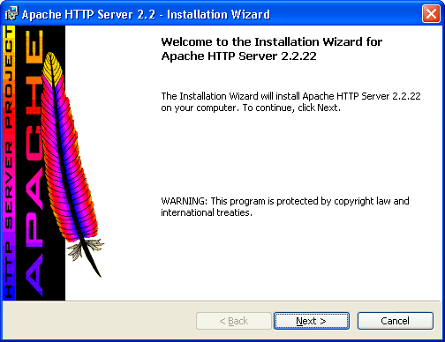

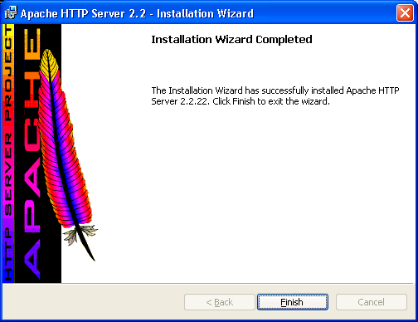

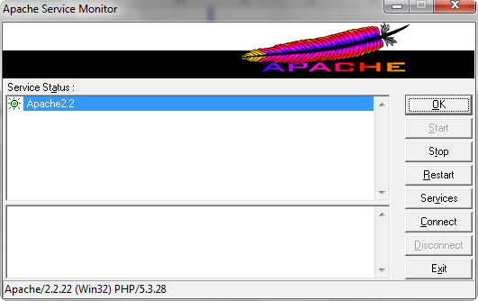

At this point, we do not have finished the full installation.
It is still missing MySQL and phpMyAdmin.
But we have to test before if PHP and Apache HTTP can work together correctly.
Open the httpd.conf file that you can find in this directory: "C:\Program Files\Apache Software Foundation\Apache2.2\conf".

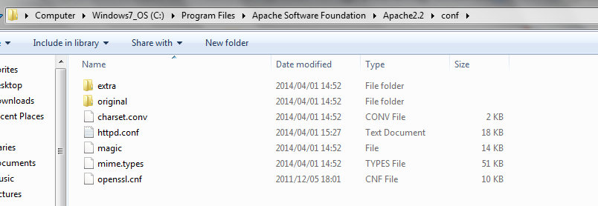

There are lot of lines starting with the LoadModule word.
Find them and write at the end of these LoadModule lines, this new one:
LoadModule php5_module "C:/ICTO/php/php5apache2_2.dll"
Sure that check file php5apache2_2.dll is exists.

We can also uncomment line 118 (or about) by removing the sharp # before:
LoadModule rewrite_module modules/mod_rewrite.so
Do the same at line 175 and remove the #:
ServerName localhost:80

We have now to add the php type.
Find the <IfModule mime_module> section.
At the end of it, just before </IfModule>, add this new line:
AddType application/x-httpd-php .php

Near line 224, we can see this:
AllowOverride None
Replace None by All, like this:
AllowOverride All

Then let's add the DirectoryIndex for page named index.php.
Go at line 244 in order to find the <IfModule dir_module> line. Modify balises like this:
<IfModule dir_module>
DirectoryIndex index.php index.html
</IfModule>

At this time, all our websites should have been created in the directory:
C:\Program Files (x86)\Apache Software Foundation\Apache2.2\htdocs
But it is not what we want.
We want to create our websites in another directory called:
C:\www

We have to find the line, generally at line 183:
DocumentRoot "C:/Program Files/Apache Software Foundation/Apache2.2/htdocs"
Let's change it by:
DocumentRoot "C:/www"

We have also to change the line:
<Directory "C:/Program Files/Apache Software Foundation/Apache2.2/htdocs">
Indeed, let's replace it by the new directory:
<Directory "C:/www">

Be careful, the directory must exist or Apache HTTP will crash.

At the end of your httpd.conf file, add this line to tell to Apache where is the correct php.ini file (we will configure it in a minute):
PHPIniDir "C:/Program Files/php"

Go on your taskbar and left click on the Apache HTTP icon, click on Apache 2.2, then on Restart.
Now your http://localhost/ address will display all the files inside the "C:\www" directory or no one if the directory is empty.
If you do not have any error, let's continue.

Go on the "C:\www" directory.
Create a new file named test.php and open it.
Inside write this:
<?php
phpinfo();
?>

In you browser input:
http://localhost/
You can now see the file test.php.
Click test.php and normally you will see all features of your PHP installation.

PHP 5.3.28
Let's see, first of all, the list of official websites:

PHP: http://www.php.net/
The download page for the Windows binaries: http://windows.php.net/download/
Choose the version you want, we will take the VC9 x86 Thread Safe version, in the Zip format.

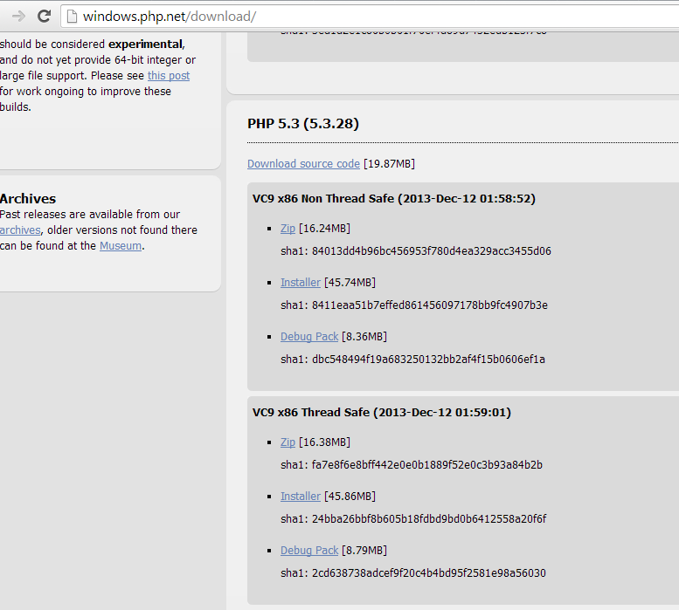

Unzip php-5.3.28-Win32-VC9-x86.zip
change name php-5.3.28-Win32-VC9-x86 to php

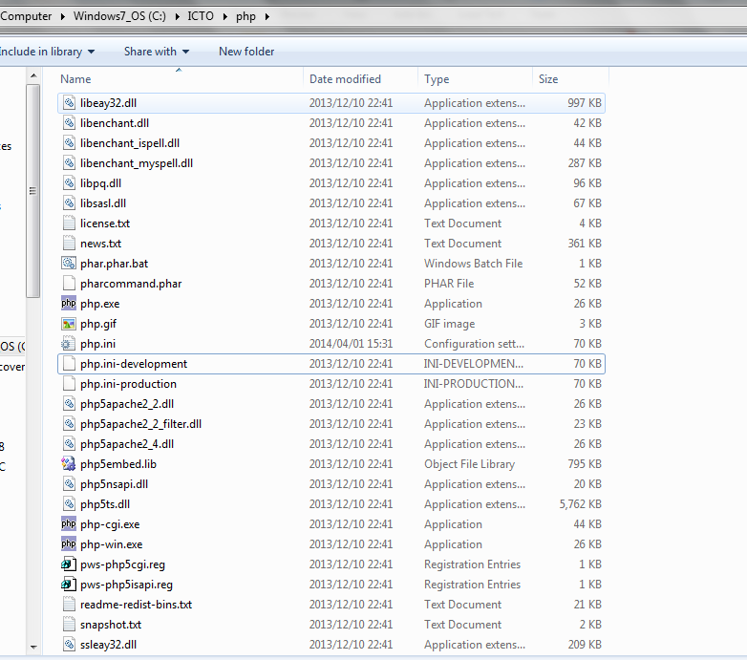

Change file name php.ini-development to php.ini
Open file php.ini

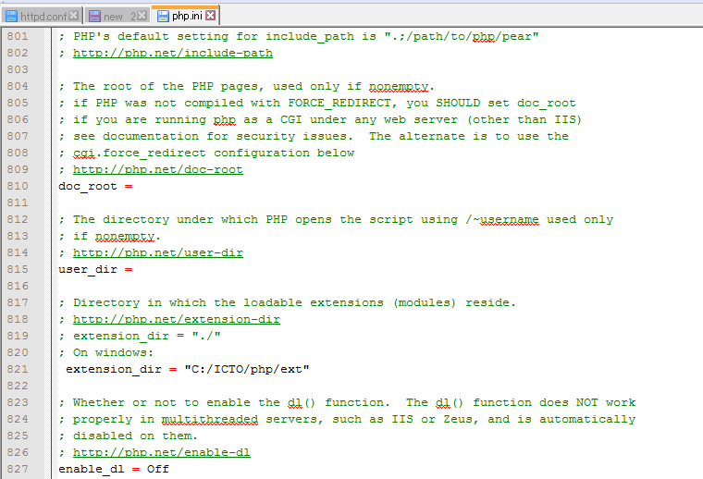

Below find the line:
; extension_dir = "ext"
Remove the semicolon at the beginning of the line and replace the line by:
extension_dir = "C:/ICTO/php/ext"

Go now until the Dynamic Extension area (line 918).
You can see just below a block of lines starting with the ";extension=php_" expression.
If you want to activate an extension, remove the semicolon just before the line.
To our installation, let's decomment the lines:
extension=php_bz2.dll
extension=php_gd2.dll
extension=php_mbstring.dll
extension=php_mysqli.dll
extension=php_mysql.dll

OK save this php.ini file and restart the Apache HTTP server.

